Guidance
RDL Guidance Notes |  | This document is a compilation of the RDL's individual csv files, plus guidance and release notes. Both this document and the individual csv files can be downloaded from: | You can find further guidance on how to use the RDL in:
Version | v1.5 |  | CFIHOS Implementation Guide for Principal (C-GD-001)
Date Issued | rc 05 Aug 21 |  | CFIHOS Implementation Guide for Contractor (C-GD-002)
Date updated
 |  | CFHIOS website | If you have any queries about how to use these files, or want to tell us about possible errors, please contact the RDL team via
 |  | CFIHOS Members group in Microsoft Teams
 |  |  | responses@jip36-cfihos.org

File Formats |  | *There are known issues with the way Excel converts csv files - relevant to both the desktop app and the online version via sharepoint. We recommend you export these files and then view them by importing them into Excel (or any other viewing tool).

All Files are formatted as follows:
Comma Separated Values (CSV)*
UTF-8
" = Text Qualifier

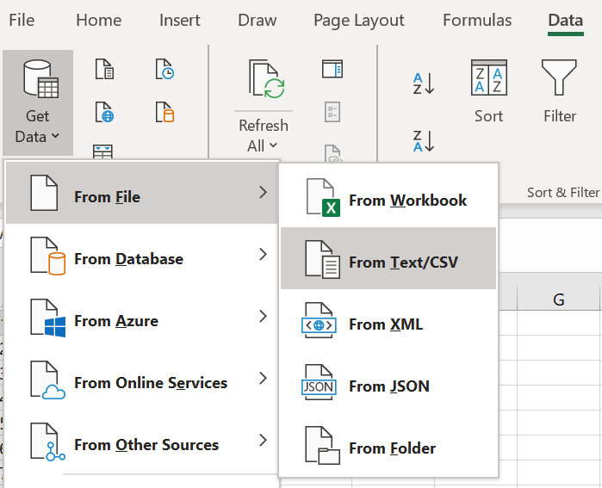
Import
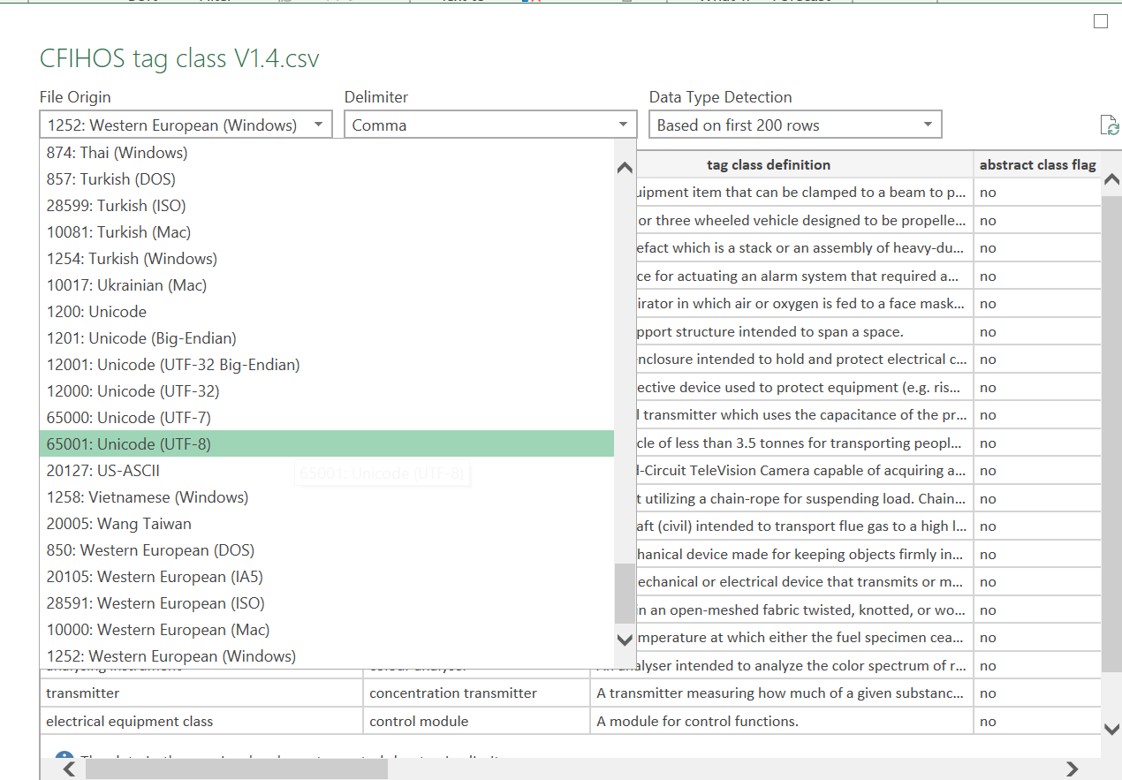
change coding type

